GLSN of 2015_Random removal
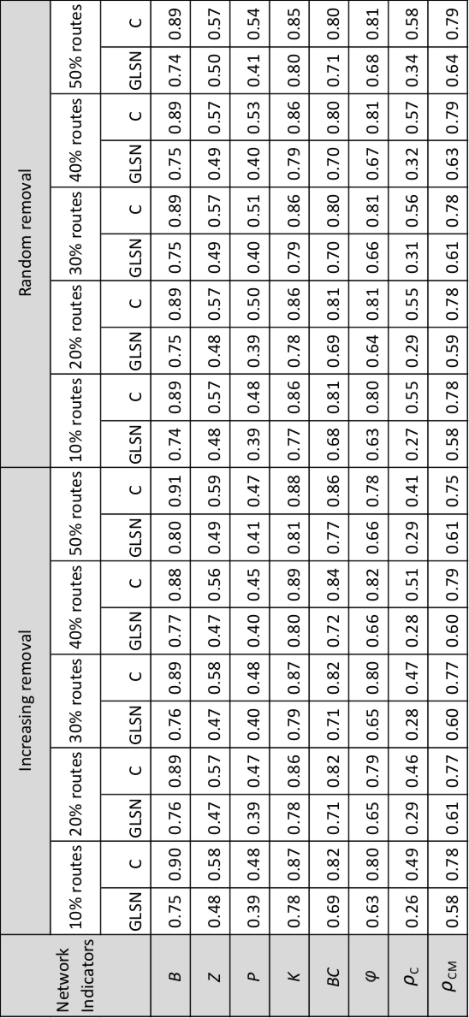
Network indicators | percent of removed routes | GLSN | C
B | 10 | 0.74 | 0.89
 | 20 | 0.75 | 0.89
 | 30 | 0.75 | 0.89
 | 40 | 0.75 | 0.89
 | 50 | 0.74 | 0.89
BC | 10 | 0.68 | 0.81
 | 20 | 0.69 | 0.81
 | 30 | 0.7 | 0.8
 | 40 | 0.7 | 0.8
 | 50 | 0.71 | 0.8
K | 10 | 0.77 | 0.86
 | 20 | 0.78 | 0.86
 | 30 | 0.79 | 0.86
 | 40 | 0.79 | 0.86
 | 50 | 0.8 | 0.85
P | 10 | 0.39 | 0.48
 | 20 | 0.39 | 0.5
 | 30 | 0.4 | 0.51
 | 40 | 0.4 | 0.53
 | 50 | 0.41 | 0.54
Z | 10 | 0.48 | 0.57
 | 20 | 0.48 | 0.57
 | 30 | 0.49 | 0.57
 | 40 | 0.49 | 0.57
 | 50 | 0.5 | 0.57
phi | 10 | 0.63 | 0.8
 | 20 | 0.64 | 0.81
 | 30 | 0.66 | 0.81
 | 40 | 0.67 | 0.81
 | 50 | 0.68 | 0.81
rho_C | 10 | 0.27 | 0.55
 | 20 | 0.29 | 0.55
 | 30 | 0.31 | 0.56
 | 40 | 0.32 | 0.57
 | 50 | 0.34 | 0.58
rho_CM | 10 | 0.58 | 0.78
 | 20 | 0.59 | 0.78
 | 30 | 0.61 | 0.78
 | 40 | 0.63 | 0.79
 | 50 | 0.64 | 0.79

